Hugo Boss
Photo | SKU | Description | Color Code | Color Description | Size | Qty. | RRP | Order
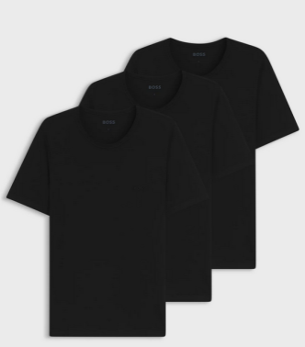 | 50475284 | TShirt RN 3P Classic 10243514 01 | 001 | Black | S | 132 | 45.00 €
 | 50475284 | TShirt RN 3P Classic 10243514 01 | 001 | Black | M | 544 | 45.00 €
 | 50475284 | TShirt RN 3P Classic 10243514 01 | 001 | Black | XL | 1,072 | 45.00 €
 | 50475284 | TShirt RN 3P Classic 10243514 01 | 001 | Black | XXL | 2,149 | 45.00 €
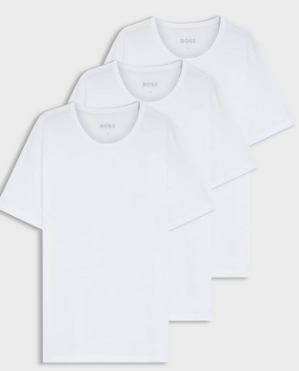 | 50475284 | TShirt RN 3P Classic 10243514 01 | 100 | White | S | 81 | 45.00 €
 | 50475284 | TShirt RN 3P Classic 10243514 01 | 100 | White | XL | 1,208 | 45.00 €
 | 50475284 | TShirt RN 3P Classic 10243514 01 | 100 | White | XXL | 1,194 | 45.00 €
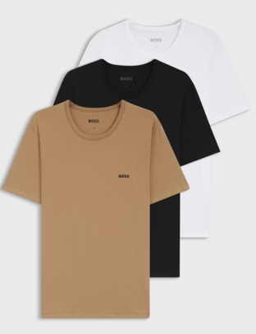 | 50475284 | TShirt RN 3P Classic 10243514 01 | 265 | Medium Beige | S | 1,029 | 45.00 €
 | 50475284 | TShirt RN 3P Classic 10243514 01 | 265 | Medium Beige | M | 569 | 45.00 €
 | 50475284 | TShirt RN 3P Classic 10243514 01 | 265 | Medium Beige | L | 1,040 | 45.00 €
 | 50475284 | TShirt RN 3P Classic 10243514 01 | 265 | Medium Beige | XL | 244 | 45.00 €
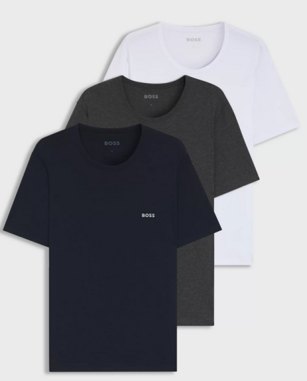 | 50475284 | TShirt RN 3P Classic 10243514 01 | 961 | Open Miscellaneous | S | 1,537 | 45.00 €
 | 50475284 | TShirt RN 3P Classic 10243514 01 | 961 | Open Miscellaneous | M | 5,578 | 45.00 €
 | 50475284 | TShirt RN 3P Classic 10243514 01 | 961 | Open Miscellaneous | L | 5,603 | 45.00 €
 | 50475284 | TShirt RN 3P Classic 10243514 01 | 961 | Open Miscellaneous | XL | 2,385 | 45.00 €
 | 50475284 | TShirt RN 3P Classic 10243514 01 | 961 | Open Miscellaneous | XXL | 994 | 45.00 €
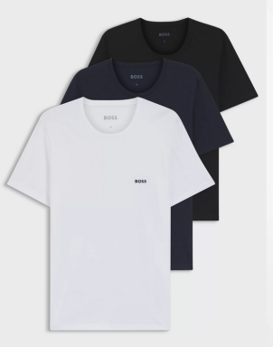 | 50475284 | TShirt RN 3P Classic 10243514 01 | 984 | Open Miscellaneous | M | 177 | 45.00 €
 | 50475284 | TShirt RN 3P Classic 10243514 01 | 984 | Open Miscellaneous | L | 683 | 45.00 €
 | 50475284 | TShirt RN 3P Classic 10243514 01 | 984 | Open Miscellaneous | XXL | 305 | 45.00 €
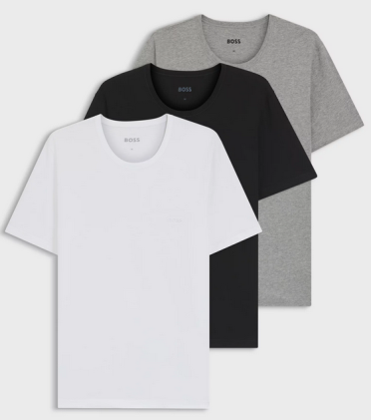 | 50475284 | TShirt RN 3P Classic 10243514 01 | 999 | Assorted Pre-Pack | S | 430 | 45.00 €
 | 50475284 | TShirt RN 3P Classic 10243514 01 | 999 | Assorted Pre-Pack | M | 1,355 | 45.00 €
 | 50475284 | TShirt RN 3P Classic 10243514 01 | 999 | Assorted Pre-Pack | L | 1,341 | 45.00 €
 | 50475284 | TShirt RN 3P Classic 10243514 01 | 999 | Assorted Pre-Pack | XL | 1,015 | 45.00 €
 | 50475284 | TShirt RN 3P Classic 10243514 01 | 999 | Assorted Pre-Pack | XXL | 408 | 45.00 €
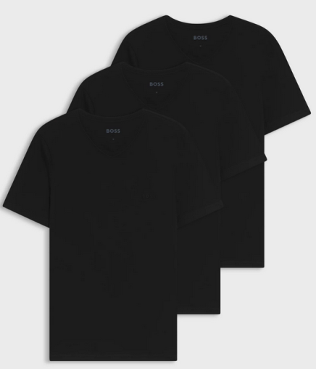 | 50475285 | TShirtVN 3P Classic 10243514 01 | 001 | Black | S | 704 | 45.00 €
 | 50475285 | TShirtVN 3P Classic 10243514 01 | 001 | Black | M | 1,623 | 45.00 €
 | 50475285 | TShirtVN 3P Classic 10243514 01 | 001 | Black | L | 4,298 | 45.00 €
 | 50475285 | TShirtVN 3P Classic 10243514 01 | 001 | Black | XL | 2,262 | 45.00 €
 | 50475285 | TShirtVN 3P Classic 10243514 01 | 001 | Black | XXL | 673 | 45.00 €
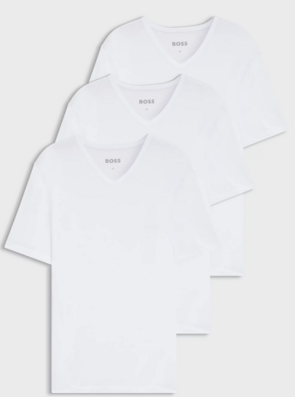 | 50475285 | TShirtVN 3P Classic 10243514 01 | 100 | White | S | 705 | 45.00 €
 | 50475285 | TShirtVN 3P Classic 10243514 01 | 100 | White | M | 2,217 | 45.00 €
 | 50475285 | TShirtVN 3P Classic 10243514 01 | 100 | White | L | 7,616 | 45.00 €
 | 50475285 | TShirtVN 3P Classic 10243514 01 | 100 | White | XL | 1,873 | 45.00 €
 | 50475285 | TShirtVN 3P Classic 10243514 01 | 100 | White | XXL | 106 | 45.00 €
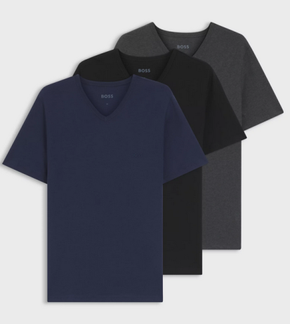 | 50475285 | TShirtVN 3P Classic 10243514 01 | 497 | Open Blue | S | 562 | 45.00 €
 | 50475285 | TShirtVN 3P Classic 10243514 01 | 497 | Open Blue | M | 2,783 | 45.00 €
 | 50475285 | TShirtVN 3P Classic 10243514 01 | 497 | Open Blue | L | 2,086 | 45.00 €
 | 50475285 | TShirtVN 3P Classic 10243514 01 | 497 | Open Blue | XL | 2,267 | 45.00 €
 | 50475285 | TShirtVN 3P Classic 10243514 01 | 497 | Open Blue | XXL | 483 | 45.00 €
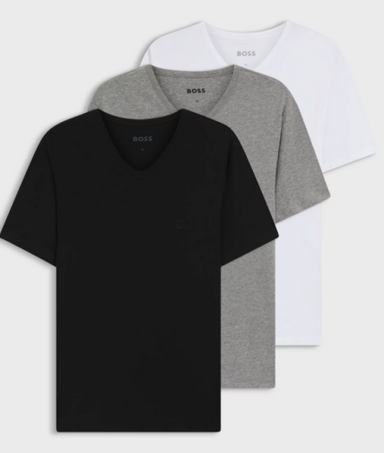 | 50475285 | TShirtVN 3P Classic 10243514 01 | 999 | Assorted Pre-Pack | S | 1,208 | 45.00 €
 | 50475285 | TShirtVN 3P Classic 10243514 01 | 999 | Assorted Pre-Pack | M | 4,279 | 45.00 €
 | 50475285 | TShirtVN 3P Classic 10243514 01 | 999 | Assorted Pre-Pack | L | 5,591 | 45.00 €
 | 50475285 | TShirtVN 3P Classic 10243514 01 | 999 | Assorted Pre-Pack | XL | 2,513 | 45.00 €
 | 50475285 | TShirtVN 3P Classic 10243514 01 | 999 | Assorted Pre-Pack | XXL | 193 | 45.00 €
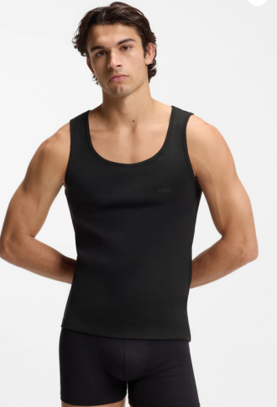 | 50542132 | TankTop3P RibClassic 10271762 01 | 001 | Black | S | 948 | 45.00 €
 | 50542132 | TankTop3P RibClassic 10271762 01 | 001 | Black | M | 2,126 | 45.00 €
 | 50542132 | TankTop3P RibClassic 10271762 01 | 001 | Black | L | 2,262 | 45.00 €
 | 50542132 | TankTop3P RibClassic 10271762 01 | 001 | Black | XL | 2,243 | 45.00 €
 | 50542132 | TankTop3P RibClassic 10271762 01 | 001 | Black | XXL | 772 | 45.00 €
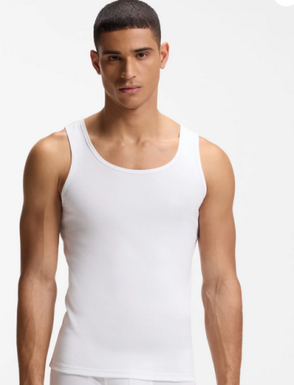 | 50542132 | TankTop3P RibClassic 10271762 01 | 100 | White | S | 1,125 | 45.00 €
 | 50542132 | TankTop3P RibClassic 10271762 01 | 100 | White | M | 3,869 | 45.00 €
 | 50542132 | TankTop3P RibClassic 10271762 01 | 100 | White | L | 3,596 | 45.00 €
 | 50542132 | TankTop3P RibClassic 10271762 01 | 100 | White | XL | 3,091 | 45.00 €
 | 50542132 | TankTop3P RibClassic 10271762 01 | 100 | White | XXL | 1,675 | 45.00 €
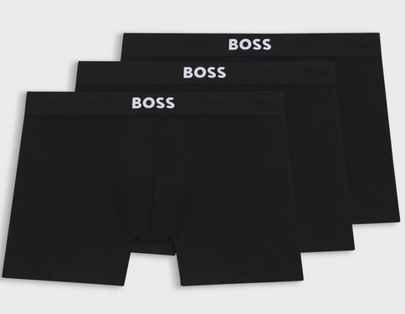 | 50544272 | BoxerBr 3P BOSS ONE 10272529 01 | 001 | Black | S | 3,616 | 45.00 €
 | 50544272 | BoxerBr 3P BOSS ONE 10272529 01 | 001 | Black | M | 7,268 | 45.00 €
 | 50544272 | BoxerBr 3P BOSS ONE 10272529 01 | 001 | Black | L | 4,601 | 45.00 €
 | 50544272 | BoxerBr 3P BOSS ONE 10272529 01 | 001 | Black | XL | 3,291 | 45.00 €
 | 50544272 | BoxerBr 3P BOSS ONE 10272529 01 | 001 | Black | XXL | 597 | 45.00 €
 | 50544272 | BoxerBr 3P BOSS ONE 10272529 01 | 001 | Black | XXXL | 218 | 45.00 €
 | 50544272 | BoxerBr 3P BOSS ONE 10272529 01 | 001 | Black | 4XL | 256 | 45.00 €
 | 50544272 | BoxerBr 3P BOSS ONE 10272529 01 | 001 | Black | 5XL | 151 | 45.00 €
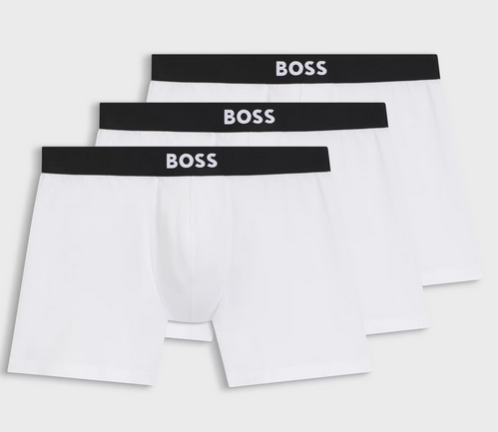 | 50544272 | BoxerBr 3P BOSS ONE 10272529 01 | 100 | White | S | 554 | 45.00 €
 | 50544272 | BoxerBr 3P BOSS ONE 10272529 01 | 100 | White | M | 1,217 | 45.00 €
 | 50544272 | BoxerBr 3P BOSS ONE 10272529 01 | 100 | White | L | 959 | 45.00 €
 | 50544272 | BoxerBr 3P BOSS ONE 10272529 01 | 100 | White | XL | 748 | 45.00 €
 | 50544272 | BoxerBr 3P BOSS ONE 10272529 01 | 100 | White | XXL | 487 | 45.00 €
 | 50544272 | BoxerBr 3P BOSS ONE 10272529 01 | 100 | White | XXXL | 469 | 45.00 €
 | 50544272 | BoxerBr 3P BOSS ONE 10272529 01 | 100 | White | 4XL | 371 | 45.00 €
 | 50544272 | BoxerBr 3P BOSS ONE 10272529 01 | 100 | White | 5XL | 402 | 45.00 €
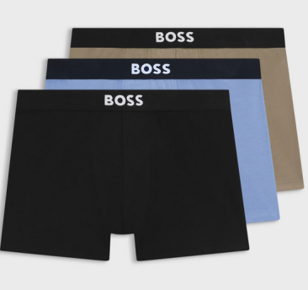 | 50544272 | BoxerBr 3P BOSS ONE 10272529 01 | 989 | Open Miscellaneous | M | 242 | 45.00 €
 | 50544272 | BoxerBr 3P BOSS ONE 10272529 01 | 989 | Open Miscellaneous | L | 356 | 45.00 €
 | 50544272 | BoxerBr 3P BOSS ONE 10272529 01 | 989 | Open Miscellaneous | XL | 190 | 45.00 €
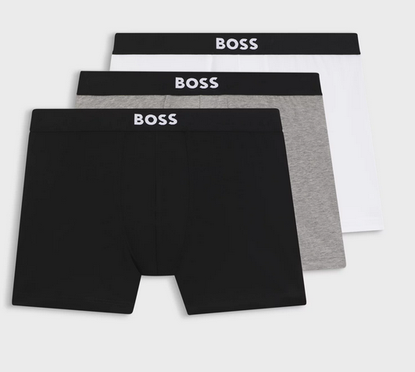 | 50544272 | BoxerBr 3P BOSS ONE 10272529 01 | 999 | Assorted Pre-Pack | S | 693 | 45.00 €
 | 50544272 | BoxerBr 3P BOSS ONE 10272529 01 | 999 | Assorted Pre-Pack | M | 1,376 | 45.00 €
 | 50544272 | BoxerBr 3P BOSS ONE 10272529 01 | 999 | Assorted Pre-Pack | L | 1,374 | 45.00 €
 | 50544272 | BoxerBr 3P BOSS ONE 10272529 01 | 999 | Assorted Pre-Pack | XL | 660 | 45.00 €
 | 50544272 | BoxerBr 3P BOSS ONE 10272529 01 | 999 | Assorted Pre-Pack | XXL | 316 | 45.00 €
 | 50544272 | BoxerBr 3P BOSS ONE 10272529 01 | 999 | Assorted Pre-Pack | XXXL | 211 | 45.00 €
 | 50544272 | BoxerBr 3P BOSS ONE 10272529 01 | 999 | Assorted Pre-Pack | 4XL | 247 | 45.00 €
 | 50544272 | BoxerBr 3P BOSS ONE 10272529 01 | 999 | Assorted Pre-Pack | 5XL | 168 | 45.00 €
 |  |  |  |  |  | 127,860

